Overview_data
 | GOLD_E_LonWorks_140611

FUNCTIONAL PROFILE:
GOLDen GATE Lonworks FTT-10, TBLZ-3-1-1-41, Version 1.00
GOLD RX/PX/CX/SD, GENERATION E
Applicable to program version 1.10 and newer versions

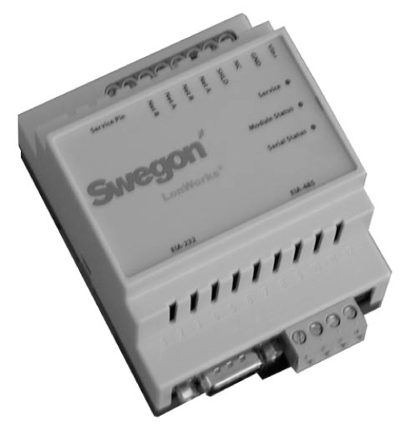

General

This document describes the profile at the GOLD-LON interface.
The LON interface is a separate communication unit that solely transfers data to and from the
control system in the GOLD air handling unit.
This edition of the GOLD-LON interface should be used for monitoring GOLD RX/PX/CX/SD
generation E, across a LON bus.
It is not possible to override the physical inputs of the GOLD air handling unit, only monitor
them across the LON bus.
The temperature and air flow set points can be adjusted across the LON network. The functions
in the GOLD control system can be adjusted, enabled or disabled. The integrated switching
clock can also be set to the current time.
The interface is normally equipped with a Transceiver for Twisted Pair Open Topology (TP/FT-10).
This is a ready-to-use module, developed and accepted by Echelon.
The LON software in the interface supports the self-documentation and Wink function and
thus helps with installing nodes across a network manager.
The network variables are to SNVT Standard.
The LON Interface can be illustrated as follow:

LON-
Interface
Object
GOLD-
Air Handling Unit
Figure 1
Functional profile

Power-Up State

All the input variables have a 0 reading before communication with the GOLD air handling unit
has been established.
When communication with the GOLD unit has been in progress for about 60 seconds, all the
input variables have been upgraded with the values from the GOLD air handling unit's internal
Flash.
This means that the input variables are always upgraded after a power failure and therefore
always indicate the current value, as long as the communication is OK:

LED/Keyed Functions

Normal operation:
The "Module Status" LED will flash green.
The "Serial Status" LED will flash green whenever acknowledged communication with the GOLD
takes place.

Service:
The "Service" LED will flash if the node has not been configured. Configuration is normally
carried out by a LON manager. While the LON manager is configuring the node, the operator
will be requested to depress "servicepin" to identify the node. The node has integrated self-
identification and self-description of the parameters.

Wink Function

This command can be used for identifying the GOLD air handling unit.
The "Serial Status" LEDs green and red flash alternately for 15 seconds while the Wink
command is being transmitted to the LON interface.
This input varable can be used for checking whether the LON network is intact up to the LON
interface and for identifying a specific air handling unit if several units are connected to the
same network.

Funktional_profile
 | GOLD_E_LonWorks_140611

Hardware
Output
Figure 2
Functional profile number 8080
of LonMark Unit Ventilator object
details(variables not implemented
Unit Ventilator
Controler number 8080
Mandatory
Network
Variables
Optional
Network
Variables
Manufacturer
Defined
Section
in GOLD are greyed).

nv1 nviSpaceTemp
SNVT_temp_p
nv21 nvoSpaceTemp
SNVT_temp_p

nv22 nvoEffectSetp
SNVT_temp_p

nv23 nvoUnitStatus
SNVT_hvac_status

nv2 nviSetpoint
SNVT_temp_p
nv24 nvoEffectOccup
SNVT_occupancy

nv3 nviSetptOffset
SNVT_temp_p
nv25 nvoHeatCool
SNVT_hvac_mode

nv4 nviSetptShift
SNVT_temp_setpt
nv26 nvoSetpoint
SNVT_temp_p

nv5 nviOccSchedule
SNVT_tod_event
nv27 nvoSetpShift
SNVT_temp_setp

nv6 nviOccManCmd
SNVT_occupancy
nv28 nvoFanSpeed
SNVT_switch

nv7 nviOccSensor
SNVT_occupancy
nv29 nvoDischAirTemp
SNVT_temp_p

nv8 nviApplicMode
SNVT_hvac_mode
nv30 nvoLoadAbsK
SNVT_power_kilo

nv9 nviHeatCool
SNVT_hvac_Mode
nv31 nvoTerminalLoad
SNVT_lev_percent

nv10 nviFanSpeedCmd
SNVT_switch
nv32 nvoHeatPrimary
SNVT_lev.percent

nv11 nviComprEnable
SNVT_switch
nv33 nvoHeatSecondary
SNVT_lev_percent

nv12 nviAuxHeatEnable
SNVT_switch
nv34 nvoCoolPrimary
SNVT_lev_percent

nv13 nviEconEnable
SNVT_switch
nv35 nvoOADamper
SNVT_lev_percent

nv14 nviEnergyHoldOff
SNVT_switch
nv36 nvoSpaceRH
SNVT_lev_percent

nv15 nviValveOverride
SNVT_hvac_overid
nv37 nvoOutdoorRh
SNVT_lev_percent

nv16 nviEmergOverride
SNVT_hvac_emerg
nv38 nvoOutdoorTemp
SNVT_temp_p

nv17 nviSourceTemp
SNVT_temp_p
nv39 nvoSpaceCO2
SNVT_ppm

nv18 nviOutdoorTemp
SNVT_temp_p
nv40 nvoEnergyHoldOff
SNVT_switch

nv19 nviSpaceRH
SNVT_lev_percent

nv20 nviOutdoorRH
SNVT_lev_percent

nv21 nviSpaceCO2
SNVT_ppm

Configuration Properties

nc49 Send Heartbeat
nc60 Occupancy Temperature Setpoints
nc52 Minimum Send Time
nc48 Receive Hartbeat
nc17 Location Label
nc34 Local Bypass Time
nc35 Manual Override Time
nc23 Outdoor Air Damper Minimum Position
nc42 Space CO2 Limit
nc36 Space Humidity Setpoint
nc59 Number of Heating/Cooling Valves
(mandatory)
(mandatory)
(optional)
(optional)
(optional)
(optional)
(optional)
(optional)
(optional)
(optional)
(optional)

See following pages
See following pages

Hardware
Input

Overview_parameters
 |  |  |  |  |  |  | GOLD_E_LonWorks_140611

Extract air filter pressure level |  | nvoEA_filterLev | EA Duct pressure |  | nvoEF_pressure | EA/Room temperature |  | nvoEAtemp
EA filter pressure level limit |  | nvoEA_filteralr | EA Low speed pressure setpoint |  | nviEF_LSpressure | EA/Room temperature setpoint |  | nviEAtempset
 |  |  | EA High speed pressure setpoint |  | nviEF_HSpressure | SA Min temperature setpoint |  | nviMinSAtemp
 |  |  |  |  |  | SA Max temperature setpoint |  | nviMaxSAtemp
Operation level | nvoOperationLev
Communication | nviComOperation
operation level |  |  |  |  |  | SA Duct pressure |  | nvoSF_pressure
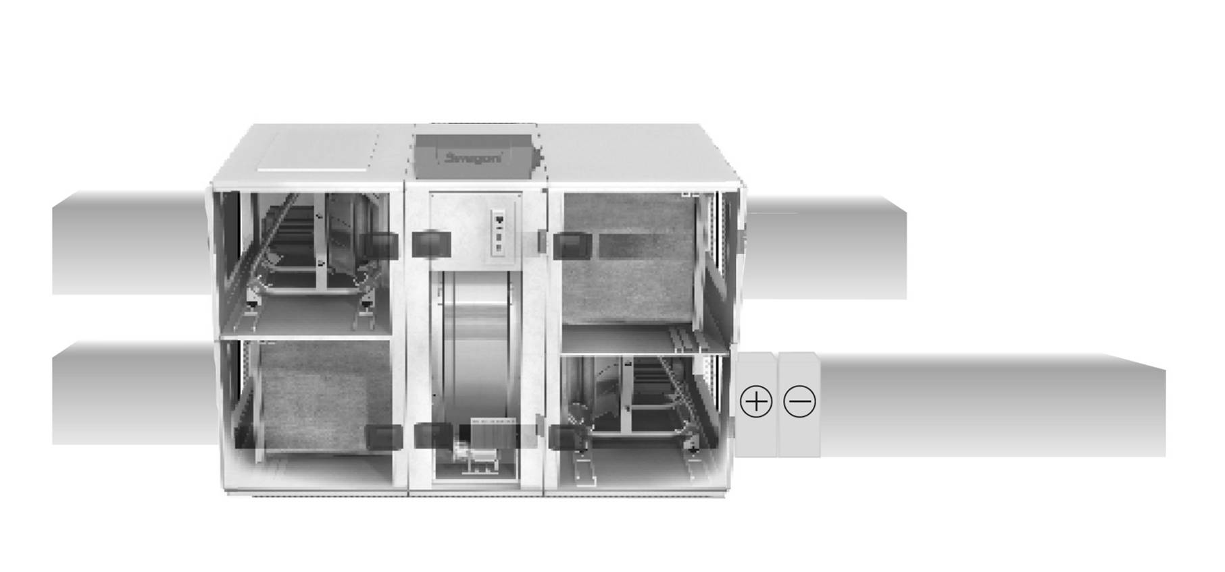
Operation active | nvoOP_relay |  |  |  |  | SA Low speed pressure point |  | nviSF_LSpressure
Low speed active | nvoLS_relay |  |  |  |  | SA High speed pressure point |  | nviSF_HSpressure
High speed active | nvoHS_relay
Damper active | nvoDamper_relay
Triggered alarm #1 | nvoTriggAlarm1
A-alarm active | nvoA_alarm_relay
B-alarm active | nvoB_alarm_relay
Alarm reset | nviAlarm_reset |  |  |  |  | SA Temperature |  | nvoSAtemp
 |  |  |  |  |  | SA Temperature setpoint |  | nviSetpoint
 |  |  |  |  |  | ERS 1 Diff |  | nviERS1diff
EA Airflow | nvoEF_flow
EA Fan level | nvoEF_speed
EA Low speed | nviEF_LSflow
airflow setpoint
EA High speed | nviEF_HSflow
airflow setpoint |  |  |  |  |  | Cooling level |  | nvoCoolPrimary
 |  |  |  |  |  | Cool output 1 |  | nvoCool_1_relay
Outdoor temperature | nvoOUTtemp |  |  |  |  | Cool output 2 |  | nvoCool_2_relay

Supply air filter pressure level |  | nvoSA_filterLev
SA filter pressure level limit |  | nvoSA_filteralr
 |  |  | SA Airflow | nvoSF_flow |  | Reheat level |  | nvoHeatSecondary
Heat exchange regulator |  | nvoHeatPrimaryRe | SA Fan level | nvoFanSpeed |  | Heat output |  | nvoHeat_relay
 |  |  | SA Low speed airflow setpoint | nviSF_LSflow |  | Anti frost temperature |  | nvoFrosttemp
 |  |  | SA High speed airflow setpoint | nviSF_HSflow

