Overview
 |  |  |  |  | GB.Metasys.230530

METASYS N2 open
GOLD RX/PX/CX/SD, GENERATION E
Applicable to program version 1.10 and newer versions

Metasys N2 open |  |  |  | Metasys N2 open Virtual Objects
Metasys nodes contains up to 256 Virtual Objects. These virtual objects can be either one of seven region types; 1) Analog Input, 2) Binary Input, 3) Analog Output, 4) Binary Output, 5) Internal Float, 6) Internal Integer and 7) Internal Byte. The Metasys N2 Master performs read and write commands to these Virtual Objects and performs cyclic polling of all the virtual objects as well. |  |  |  | A virtual object contains data of a specific type. These types are called Regions. A Metasys N2 node may contain up to 256 Virtual Objects per region, which in all gives a total of 1792 virtual objects. In smaller systems it might be desirable to limit the number of virtual objects to reduce memory consumption. The regions are defined as followed.

Region | Type | Short | Description
Region 1 | Analog Input | AI | 32 bit, IEEE-standard floats.
Region 2 | Binary Input | BI | 1 bit
Region 3 | Analog Output | AO | 32 bit, IEEE-standard floats.
Region 4 | Binary Output | BO | 1 bit
Region 5 | Internal Float | IF | 32 bit, IEEE-standard floats.
Region 6 | Internal Integer | ADI | Signed 16 bit.
Region 7 | Internal Byte | IB | 8 bit.

Virtual Object
Analog Input
Binary Input
Binary Output
Analog Output Output
Internal Float
Internal Integer
Internal Byte
Virtual Object
1
n
2

The 7 regions of a Metasys Virtual Object. |  |  |  | A Metasys Node can contain up to 1792 Virtual Objects.

Overview parameters
 |  |  |  |  |  |  | GB.Metasys.230530

Operation level | Adi,141 | EA AHU filter pressure level |  | Ai,19 |  | EA Temperature |  | Ai,46
Communication operation level | Adi,109 | EA AHU filter pressure alarm limit |  | Ai,20 |  | EA/Room temperature set point |  | Ao,71
Operation active | Bi,1 |  |  |  |  | SA min temp set point |  | Ao,72
Low speed operation active | Bi,3 |  |  |  |  | SA max temp set point |  | Ao,73
High speed operation active | Bi,4 |  | EA Duct pressure |  | Ai,7
Damper operation active | Bi,2 |  | EA low speed pressure set point |  | Ao,10
Triggered alarm #1 | Adi,144 |  | EA high speed pressure set point |  | Ao,12 | SA Duct pressure |  | Ai,5
A-alarm active | Bi,13 |  |  |  |  | SA low speed pressure set point |  | Ao,9
B-alarm active | Bi,14 |  |  |  |  | SA high speed pressure set point |  | Ao,11
Alarm reset | Bo,1

 |  |  |  |  |  | SA Temperature |  | Ai,44
EA Air flow | Ai,3 |  |  |  |  | SA temperature set point |  | Ao,70
EA Fan level | Ai,24 |  |  |  |  | ERS 1 diff |  | Ao,60
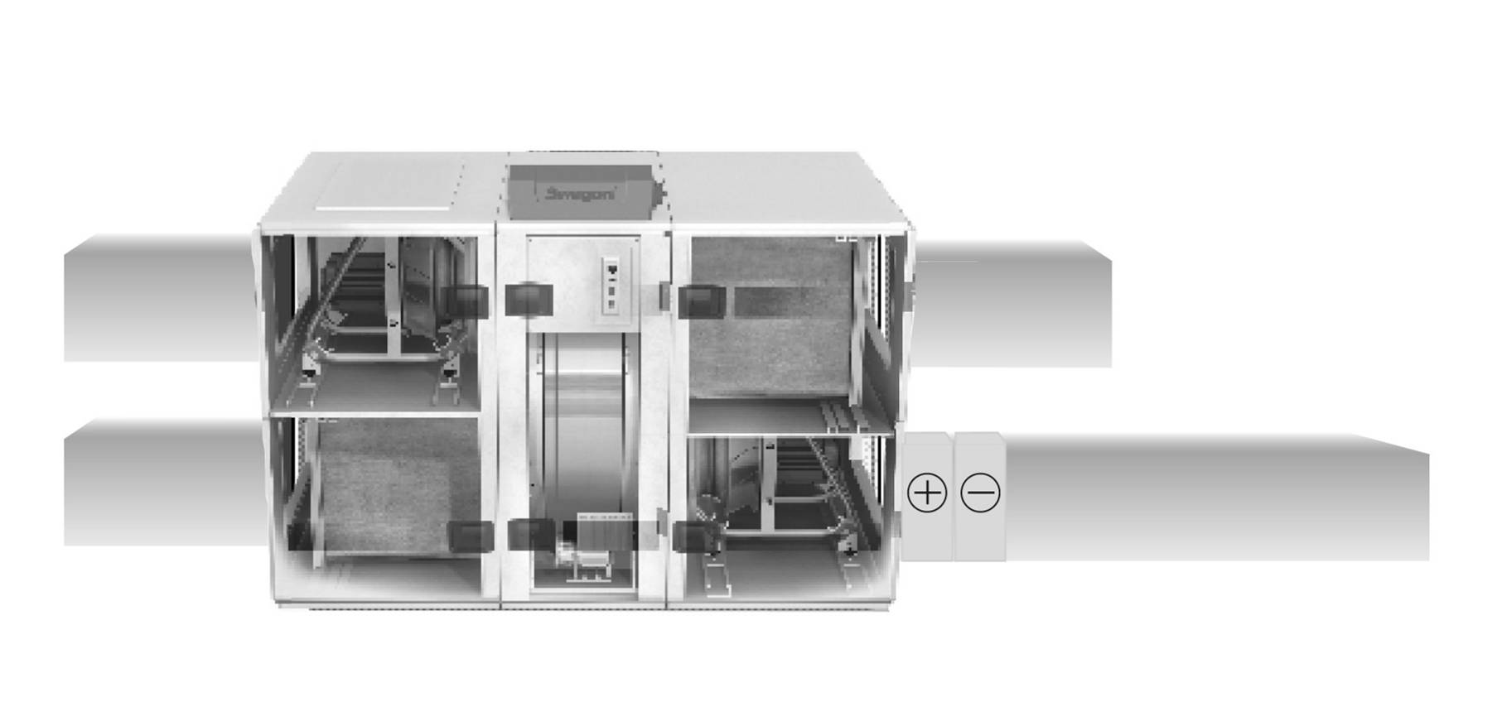
EA low speed air flow set point | Ao,2
EA high speed air flow set point | Ao,4

Outdoor temperature | Ai,49

SA AHU filter pressure level | Ai,17
SA AHU filter pressure alarm limit | Ai,18

RX
Heat exchanger regulator level | Ai,63
RHX operation level | Ai,77
 |  |  |  |  |  |  | Cool regulator level | Ai,73
 |  |  |  |  |  |  | Cool output 1 | Bi,43
 |  |  |  |  |  |  | Cool output 2 | Bi,44

 |  | SA Air flow |  | Ai,1 | Reheat regulator level |  | Ai,66
 |  | SA Fan level |  | Ai,23 | Re-heat output |  | Bi,38
 |  | SA low speed air flow set point |  | Ao,1 | Re-heat anti frost temp/overheat input |  | Ai,101
 |  | SA high speed air flow set point |  | Ao,3

